Sheet1
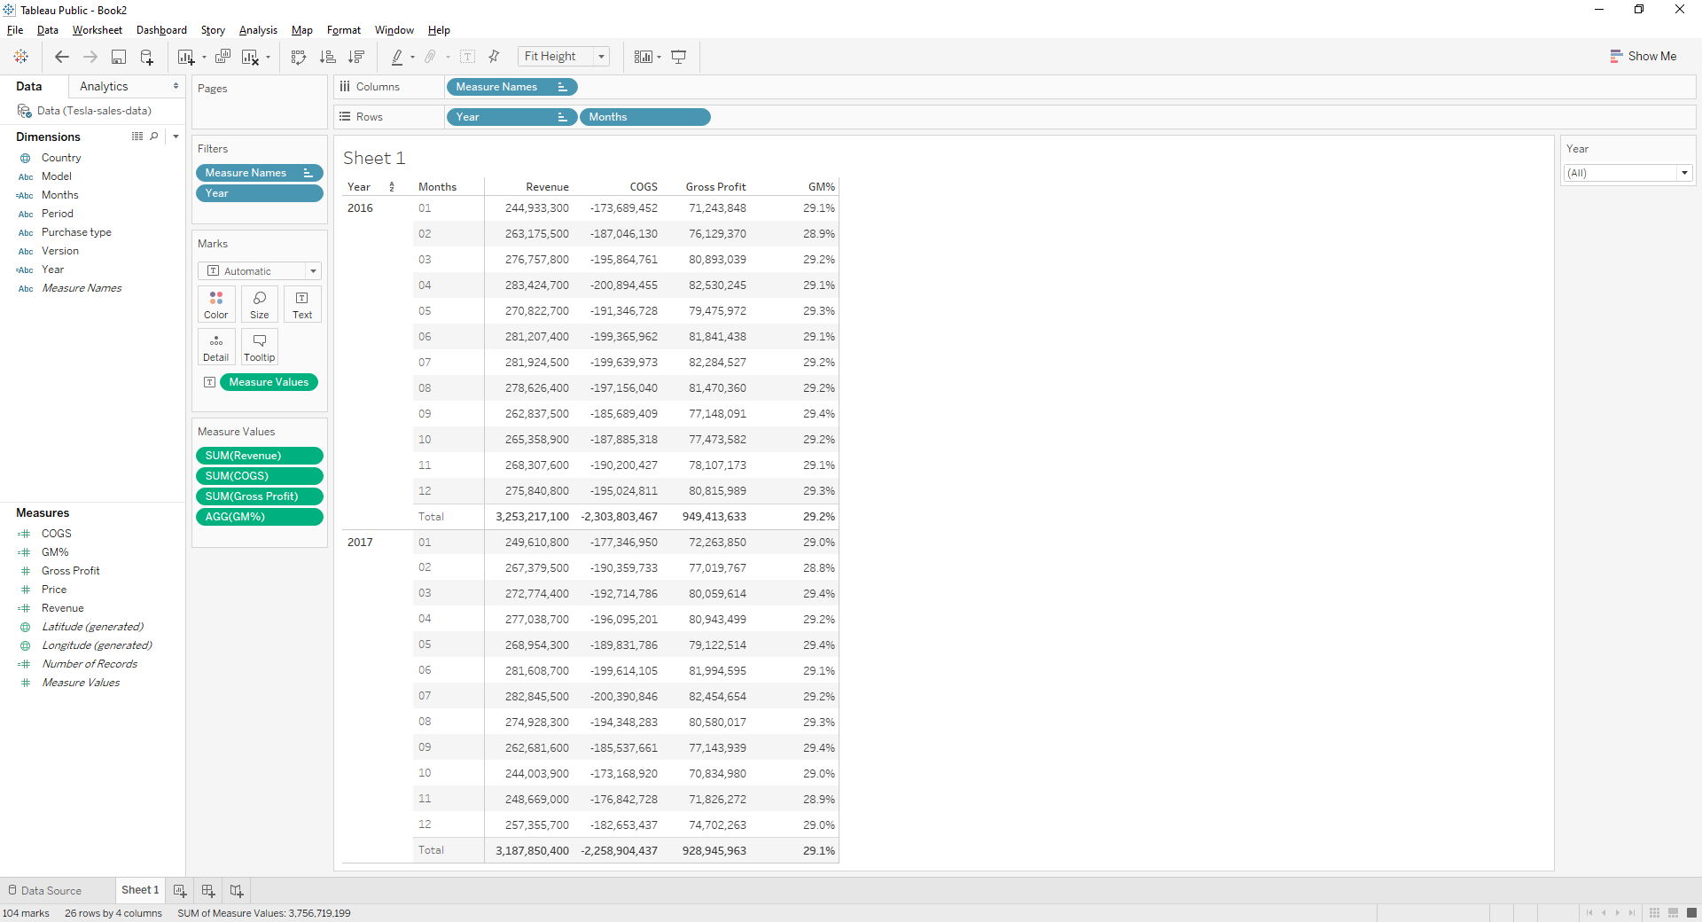

GM% requires sum(Gross Profit)/sum(Revenue)

